Model performance on differest
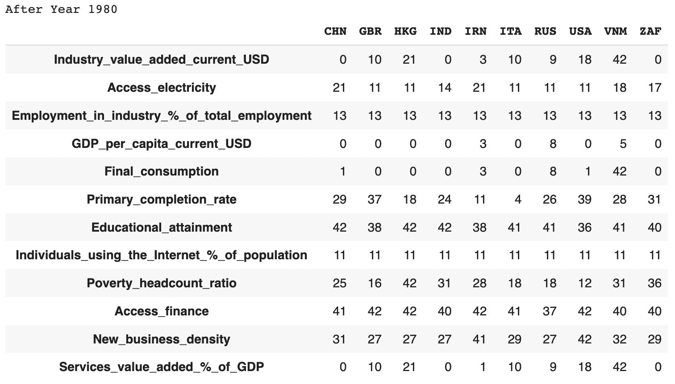
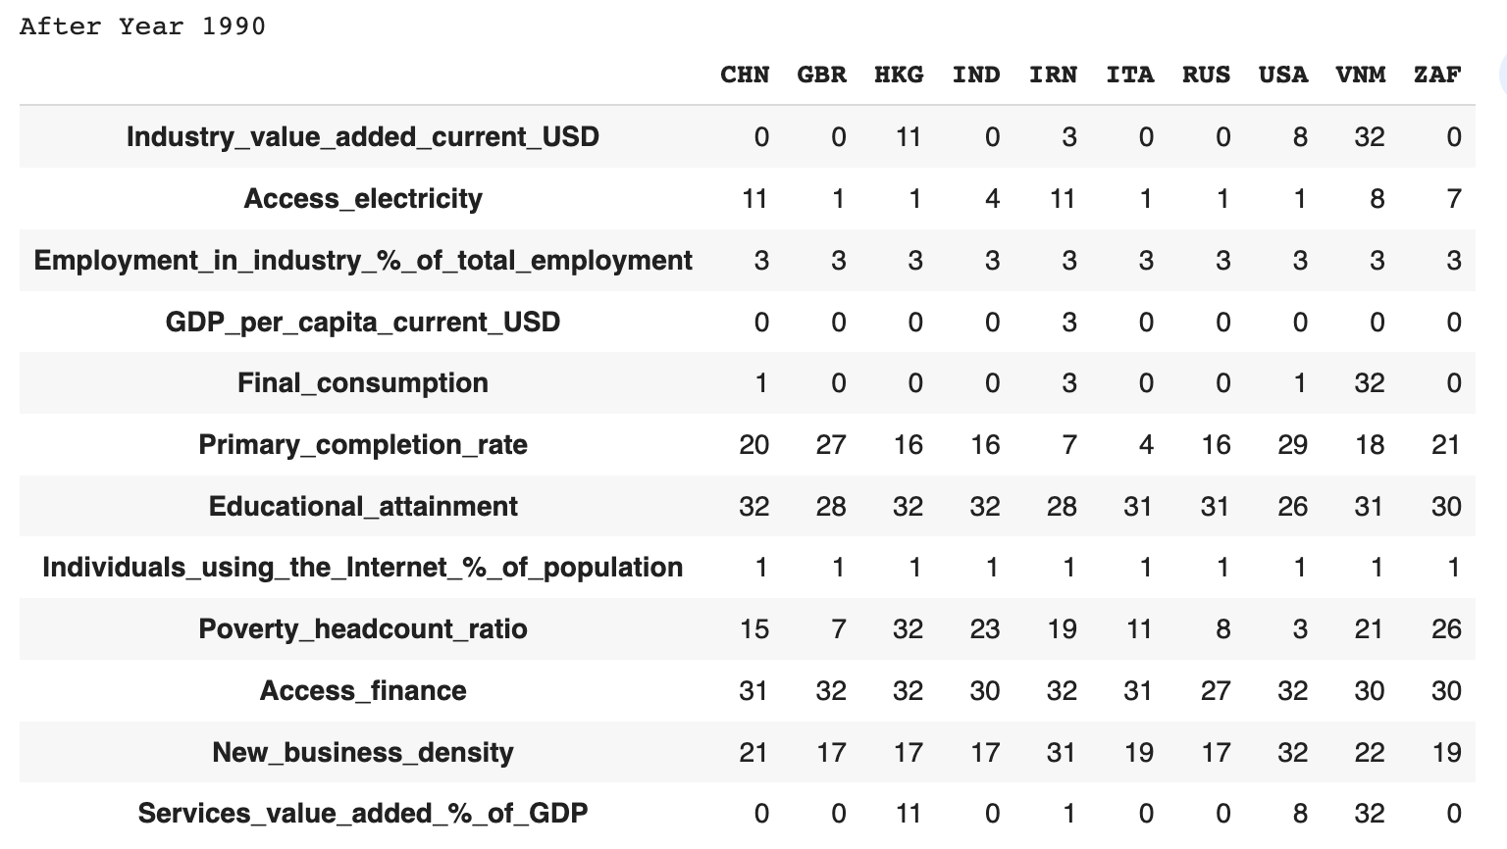

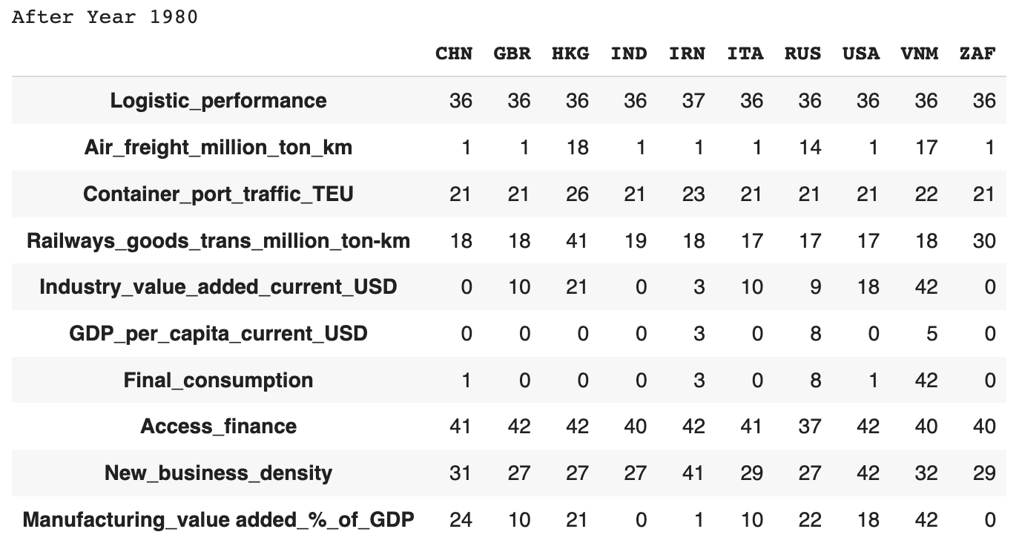
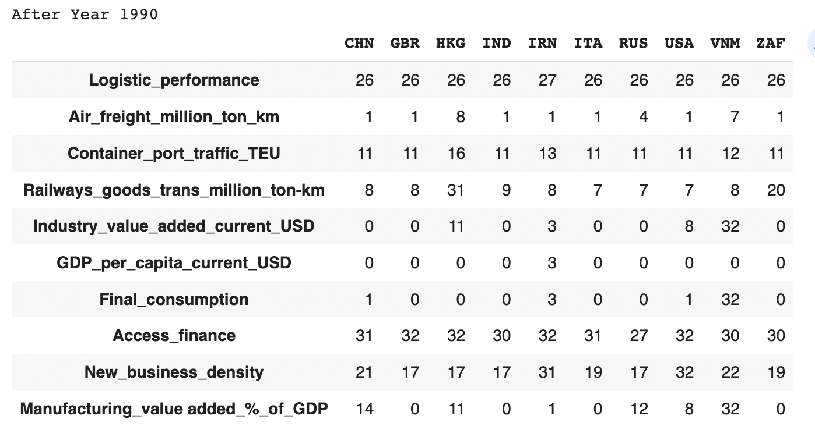
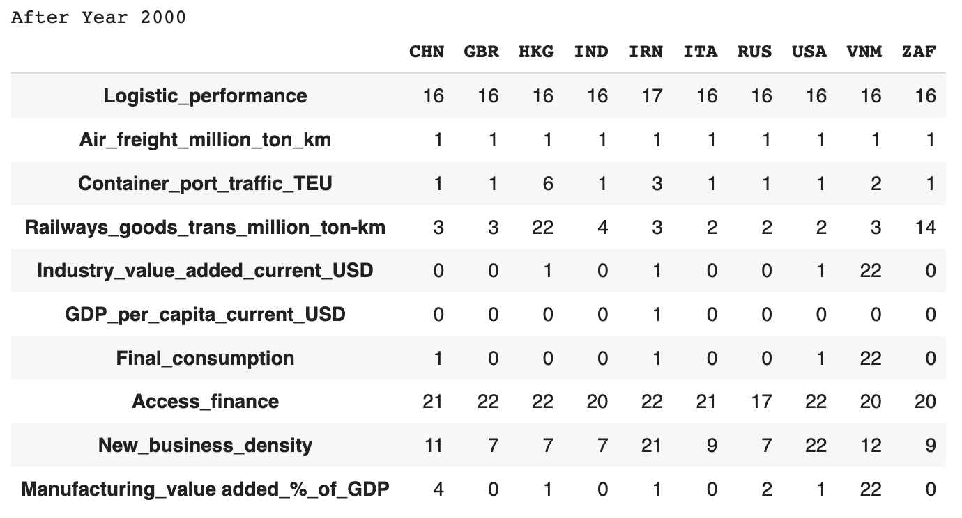
LSTM Manufacture 1980
 | MAE | MSE | RMSE | Top 3 performing countries
Mean | 2.209663708 | 9.669693234 | 2.45180831 | VNM,HKG,USA
Median | 2.29301129 | 11.519265897 | 2.651016614 | VNM,HKG,USA
LOCF | 7.5094206688E+11 | 1.6207532416E+24 | 8.1195557125E+11 | ZAF,IND,IRN
NOCB | 12679140422 | 1.5359617778E+21 | 13063782689 | ZAF,IND,IRN
Rolling Statisitc | 5.3587523375E+11 | 7.7109341375E+23 | 5.6730660438E+11 | ZAF,IND,IRN
Interpolate | 6.9679053625E+11 | 1.4767085001E+24 | 7.4976321875E+11 | ZAF,IND,IRN

Number of Missing values

